BUG 1
Bug Report Title | Highlighted number on main page.
Bug priority: | Low
Defects’ Type: | Visual (UI)
Environment: | Windows 10 – Chrome – Wi-Fi
Steps to reproduce: | 1.go to skillwill.ge 2.Log in 3.Go to A section 4.See the list of months
Expected Result: | All of the months names should be in one colour ,or when clicking on them that specific one should be highlighted
Actual Result: | automatically second month is highlighted
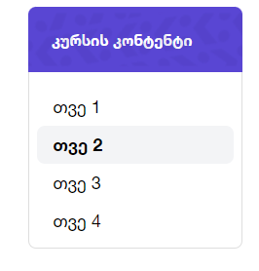
Actual footage:

Bug 2
Bug Report Title | City is written in different language
Bug priority: | Low
Defects’ Type: | Functional
Environment: | Windows 10 – Chrome – Wi-Fi
Steps to reproduce: | 1.go to skillwill.ge 2.Log in 3.Go to profile 4.Choose english language 5.see the city
Expected Result: | everything should be in english language,City should be written in english
Actual Result: | City is shown in georgian language
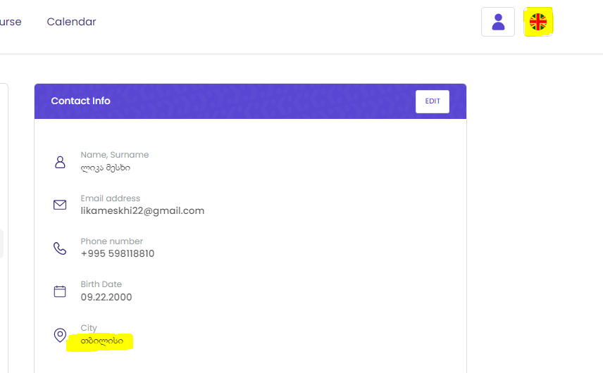
Actual footage:

Bug 3
Bug Report Title | Deleting profile picture is impossible
Bug priority: | Low
Defects’ Type: | Visual (UI)
Environment: | Windows 10 – Chrome – Wi-Fi
Steps to reproduce: | 1.go to skillwill.ge 2.Log in 3.Go to profile 4.Click on profile picture
Expected Result: | There should be an option which lets you delete the picture
Actual Result: | User is not able to delete the picture. User only is able to change the picture
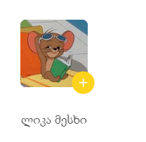
Actual footage:

